Business Model
Operating Model
Company X is a two-side marketplace:
Developer: Company X finds remote developers, validate their tech and soft skills, find them interview for remote job.
Comapnies: Company X partners with companies hiring remote developers, find them vetted candidate, and charge them fees if a remote developer is hired

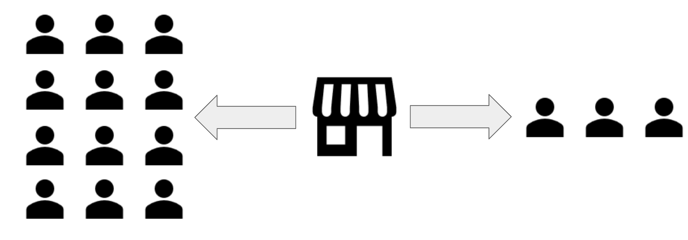

Developer Pool | Remote Hiring Companies

Toptal
Crossover
Upwork
Revenue Model

Company X charge a monthly fees from a client when they fill a remote job. Then it passes a part of fees (60-70% ) as monthly salary to developer

How does process work?
1. Comapny X found developers organically, linekedin reach out, and paid marketing
2. Developer signs up on the platform
3. Developer complete the technical test
4. Developers,who clear the technical test , go through the written and verbal communication test
5. All the qualified developers become part of a developer pool
6. Company X sales team reach out to the comapnies hiring for remote roles and convince them to use Company X as hiring partner
7. Based on requirement of the hring comapny, Company X shortlist profiles per the requirement of role and send it to hiring comapny
8. Hiring company takes 1-3 rounds of interview and then decide whether to hire or not.
9. If hired, developer has to accept the offer, give 2 weeks of trial and then if everything goes well, developer is hired and company X earns reveneu

Funnel
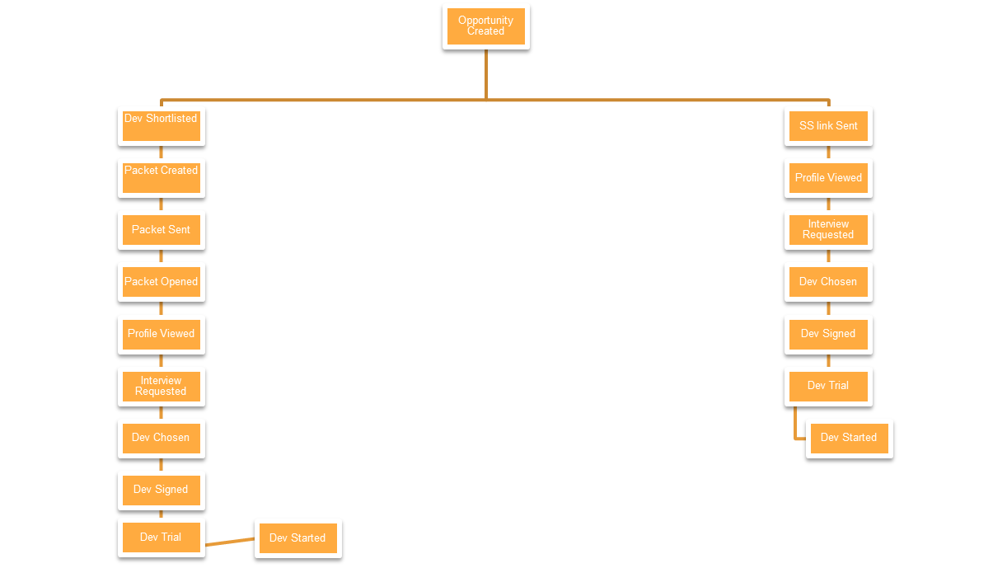

Two avenues through which a developer could
1. Cross over their own team which take a client request and try to gfind them developer
2. Cross over share access to the data poll and client can shortlist themselves

Dev start/opportunity created

